Checklists
checklist | Ventilation Checklist 1 Rough In [C]
 | Is the installation area unobstructed? | Pass/Fail / N/A
 | Fans installed within ceiling areas are in the correct location as per Mechanical Drawings | Pass/Fail / N/A
 | Fans Installed correctly with rubber isolation pads | Pass/Fail / N/A
 | All Flex has been run to correct location | Pass/Fail / N/A
 | All flex are hung independent of other services and supported by intact load spreaders | Pass/Fail / N/A
 | Butterfly dampers are installed on the PODs grille neck and they are in a fully opened position and air tight sealed | Pass/Fail / N/A
 |  | Pass/Fail / N/A
section | Sign Off |  | Sign off required
 | Sign-Off Completed as per below (Pass once complete)
 | Contract/Subcontractor Assessor Sign Off
 | Builder Representative Sign Off
 | Request Sign-Off(s) + Click to Add Signature(s)
 | Inspection Date:
checklist | Access Panel 1 Rough In [D]
 | Access Panel location has been marked on floor as per RCP | Pass/Fail / N/A
 | Access panel location allows sufficient access equipment | Pass/Fail / N/A
 | All other other services do not impede access | Pass/Fail / N/A
section | Sign Off |  | Sign off required
 | Sign-Off Completed as per below (Pass once complete)
 | Contract/Subcontractor Assessor Sign Off
 | Builder Representative Sign Off
 | Request Sign-Off(s) + Click to Add Signature(s)
 | Inspection Date:
checklist | Duct Installation Check List [F]
 | Is the installation area unobstructed? | Pass/Fail / N/A
 | Are drawings on site the latest issue | Pass/Fail / N/A
 | Are plant and equipment location correct | Pass/Fail / N/A
 | Duct size and location correct | Pass/Fail / N/A
 | Material and gauge correct | Pass/Fail / N/A
 | Is correct support method being used - Risers are supported at each level. | Pass/Fail / N/A
 | Is correct jointing method being used | Pass/Fail / N/A
 | Are joints completed and cleated installed on flanges | Pass/Fail / N/A
 | Is correct joint sealant being used | Pass/Fail / N/A
 | Are fire dampers installed and break away joint complete | Pass/Fail / N/A
 | Are canvas connections to equipment sealed and aligned | Pass/Fail / N/A
 | Is ductwork fire rating complete | Pass/Fail / N/A
 | Are all spigots installed and dampers fully open | Pass/Fail / N/A
 | Are all access panels for fire damper access installed and closed | Pass/Fail / N/A
 | Are the correct fixings used for fan installation? | Pass/Fail / N/A
 | Is the fan secured correctly to hanging equipment? | Pass/Fail / N/A
 | Is the hanging equipment correctly installed and secured? | Pass/Fail / N/A
 | Is the ductwork connected to the fan as specified in workshop drawings? | Pass/Fail / N/A
 | Are the cables connected as per electrical drawings and manufacturer's specifications? | Pass/Fail / N/A
 | Is ductwork installation complete | Pass/Fail / N/A
checklist | Base building Fit-Off Checklist [G]
 | Supply grilles fitted | Pass/Fail / N/A
 | VCD is installed | Pass/Fail / N/A
 | Exhaust grilles fitted | Pass/Fail / N/A
 | All fire dampers provided with an access panel as per mechanical drawings | Pass/Fail / N/A

 | Sign-Off Completed as per below (Pass once complete)
 | Inspection Date
 | Contract/Subcontractor Assessor Sign Off
 | Builder Representative Sign Off
 | Request Sign-Off(s) + Click to Add Signature(s)

checklist | Apartment Fit-Off Checklist [H]
 | Ensuite exhaust grilles installed | Pass/Fail / N/A
 | Toilet exhaust grilles installed | Pass/Fail / N/A
 | Range hood duct connected and taped to ensure air tight | Pass/Fail / N/A
 | Access panels placed as per drawings | Pass/Fail / N/A
 | "External louvers installed all gaps sealed between plenum box and wall/ louver flange to wall , photo evidence provided for below 1.Box sealed internally and the gap between the box and wall is sealed 2.Louver flanges sealed to the external box " | Pass/Fail / N/A

 | Sign-Off Completed as per below (Pass once complete)
 | Inspection Date
 | Contract/Subcontractor Assessor Sign Off
 | Builder Representative Sign Off
 | Request Sign-Off(s) + Click to Add Signature(s)

checklist | Ventilation Checklist Commissioning [ J]
 | Fan has been tested and is operational? | Pass/Fail / N/A
 | Adequate flow has been achieved in areas the fan is serving to? | Pass/Fail / N/A
 | Does the fan interlocking working correctly with lights ? | Pass/Fail / N/A
 | Range hood has been tested and is operational? | Pass/Fail / N/A
 | Provide evidence of airflow reading | Pass/Fail / N/A
 | Visual Survey | Pass/Fail / N/A

 | Sign-Off Completed as per below (Pass once complete)
 | Inspection Date
 | Contract/Subcontractor Assessor Sign Off
 | Builder Representative Sign Off
 | Request Sign-Off(s) + Click to Add Signature(s)

checklist | Fire Damper Checklist -Intumecent FD [K]
 | Fire damper is mechanically fixed to the casing with min 1 screw per side and min 200mm spacing betwwen screws
 | Penetration details have been captured | Pass/Fail
 | Gaps between the fire damper and wall no greater than 25mm and is filled with Killargo Intumescent Sealant with no cracking visible | Pass/Fail
 | Killargo fire rated mastic has been applied to entire perimeter of fire damper cell on both sides. No evidence of cracking. | Pass/Fail
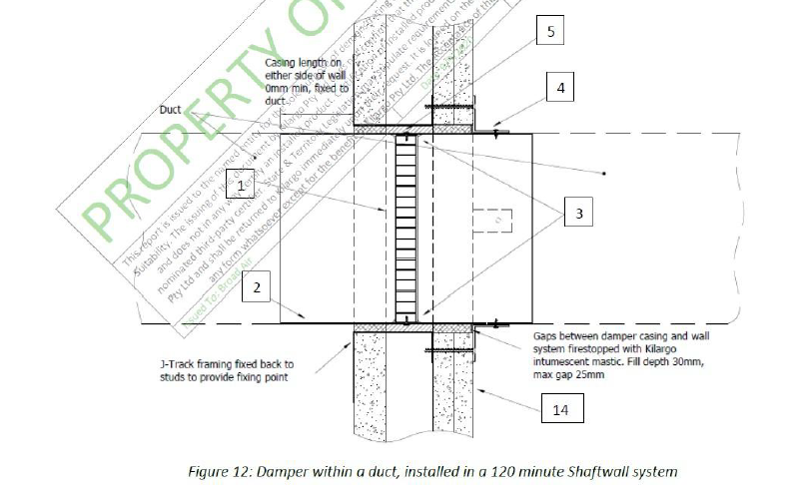
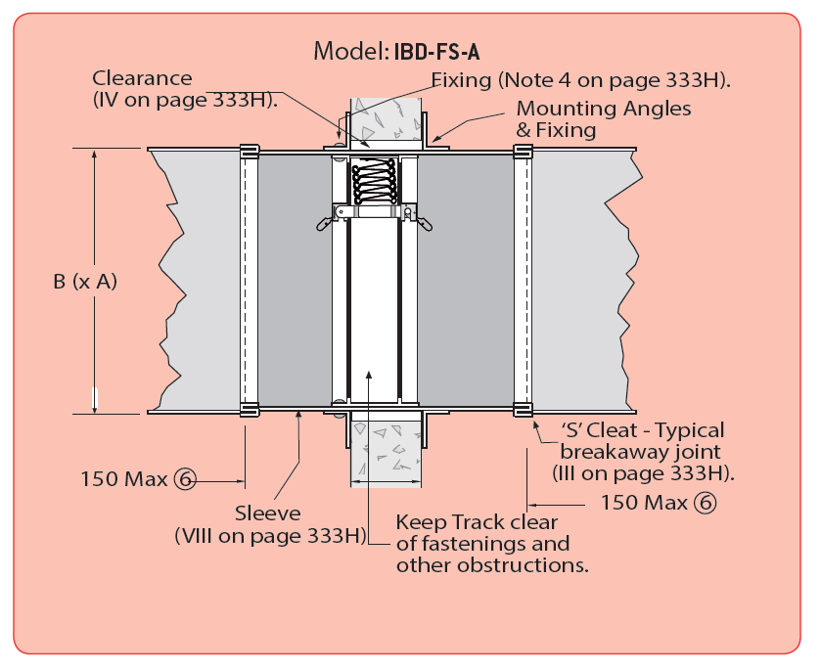
 | Casing perimeter is sealed with Killargo intumescent sealant. No evidence of cracking. | Pass/Fail
 | Sheet metal thickness is 0.7mm or greater. | Pass/Fail
 | Ductwork is connected to either side of the casing with nylon bolts on the flanges as per the AS1682.2 break away joint method. Bolts do not exceed an 8mm diameter. | Pass/Fail
 | Access panel is provided to conveniently access fire damper for visual and/or maintenance inspections. | Pass/Fail
 | Fire damper labelling in accordance with AS1682.2 has been placed and clearly identifies the fire damper | Pass/Fail
 | Pictures attached | Pass/Fail
 | Signature (Contract/Subcontractor Assessor) | Pass/Fail
 | Signature (Builder Representative) | Pass/Fail

 | Pictures/Comments attached below
 | Notes/Additional Comments
 | Sign-Off Completed as per below (Pass once complete)
 | Contract/Subcontractor Assessor Sign Off
 | Builder Representative Sign Off
 | Request Sign-Off(s) + Click to Add Signature(s)
checklist | Flatpack Installation Checklist [O]
 | Flatpack duct is installed as per approved mechanical shop drawings | Pass/Fail
 | Internal side of flatpack duct and fittings are clear from debris and dust | Pass/Fail
 | Is flatpack supported from ceiling using metal hangers or metal support clips at every 2m intervals so that the flatpacks are not sagging? | Pass/Fail
 | Wherever the flatpacks are screwed into, ensure properly sealed | Pass/Fail
 | Flatpack joints & fittings are properly sealed. | Pass/Fail
 | Are correct type of fittings used? | Pass/Fail
 | Visual inspection | Pass/Fail

Flexible Duct Installation
